passenger-Road
page 215
Figure 94 - Evolution of the Current Fleet
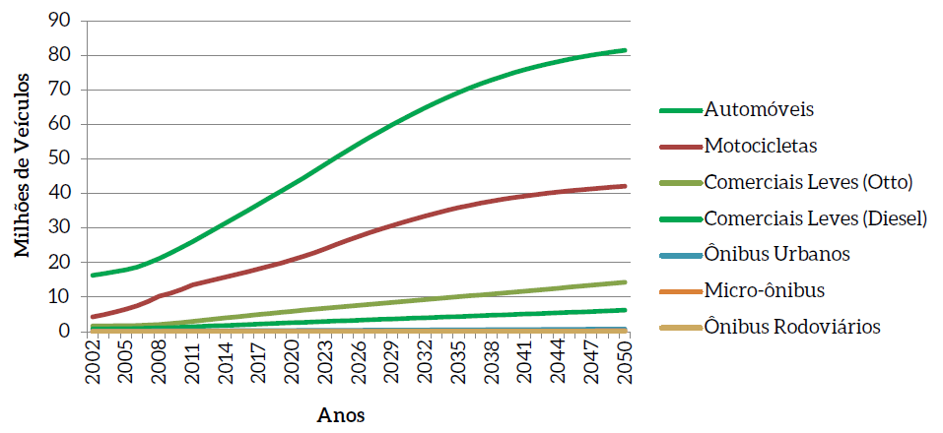

 |  |  |  |  |  |  |  | translation
 |  |  |  |  |  |  |  | Automobiles
 |  |  |  |  |  |  |  | Motorcycles
 |  |  |  |  |  |  |  | Trucks (Otto)
 |  |  |  |  |  |  |  | Light Trucks (Diesel)
 |  |  |  |  |  |  |  | City Buses
 |  |  |  |  |  |  |  | Micro bus
 |  |  |  |  |  |  |  | Buses

The table below is from the excel file that generated the results for transportation sector.
Evolution of the current fleet
Vehicle type | 2015 | 2016 | 2017 | 2018 | 2019 | 2020 | 2021 | 2022 | 2023 | 2024 | 2025 | 2026 | 2027 | 2028 | 2029 | 2030 | 2031 | 2032 | 2033 | 2034 | 2035 | 2036 | 2037 | 2038 | 2039 | 2040 | 2041 | 2042 | 2043 | 2044 | 2045 | 2046 | 2047 | 2048 | 2049 | 2050
Auto Gasoline C | 9176827 | 8602111 | 8060405 | 7555614 | 7090467 | 6659847 | 6264627 | 5903937 | 5576243 | 5279443 | 5007234 | 4757453 | 4527604 | 4315309 | 4118093 | 3942099 | 3785673 | 3647016 | 3524675 | 3416808 | 3321062 | 3237086 | 3163680 | 3099030 | 3043096 | 2994337 | 2951905 | 2915027 | 2883280 | 2855884 | 2832021 | 2811054 | 2793298 | 2778501 | 2765488 | 2753804
Auto Ethanol | 720412 | 641135 | 569505 | 504982 | 447028 | 395120 | 348737 | 307401 | 270643 | 238019 | 209127 | 183579 | 161025 | 141146 | 123640 | 108247 | 94724 | 82856 | 72444 | 63323 | 55326 | 47691 | 41294 | 35462 | 29452 | 24296 | 19585 | 15355 | 12313 | 9366 | 7202 | 6089 | 4951 | 3858 | 2724 | 2044
Auto flex | 23446807 | 26002358 | 28563887 | 31123154 | 33673707 | 36198934 | 38712655 | 41212750 | 43698334 | 46169461 | 48532763 | 50792003 | 52947646 | 55000674 | 56952544 | 58820212 | 60421909 | 61756655 | 62824354 | 63625900 | 64131077 | 64347142 | 64282377 | 63946308 | 63349640 | 62479311 | 61348012 | 59969114 | 58356520 | 56524455 | 54487260 | 52259202 | 49854284 | 47286129 | 44567831 | 41937022
Auto Hybrid | 0 | 0 | 0 | 0 | 0 | 18571 | 57168 | 117226 | 200136 | 307229 | 436719 | 588796 | 763412 | 960369 | 1179326 | 1396461 | 1797617 | 2385751 | 3163335 | 4132223 | 5282474 | 6610961 | 8113576 | 9785218 | 11619840 | 13610538 | 15749717 | 18029182 | 20440360 | 22974473 | 25622732 | 28376478 | 31227309 | 34167174 | 37188457 | 40084170
Auto Plug-in Flex | 0 | 0 | 0 | 0 | 0 | 0 | 0 | 0 | 0 | 0 | 0 | 0 | 0 | 0 | 0 | 0 | 0 | 0 | 0 | 0 | 0 | 0 | 0 | 0 | 0 | 0 | 0 | 0 | 0 | 0 | 0 | 0 | 0 | 0 | 0 | 0
Auto Battery | 0 | 0 | 0 | 0 | 0 | 0 | 0 | 0 | 0 | 0 | 0 | 0 | 0 | 0 | 0 | 0 | 0 | 0 | 0 | 0 | 0 | 0 | 0 | 0 | 0 | 24839 | 74551 | 149111 | 248416 | 372250 | 520279 | 692021 | 886846 | 1103985 | 1342534 | 1576158
Com. Light Gasoline C | 1539523 | 1570175 | 1603295 | 1638676 | 1676158 | 1715531 | 1757101 | 1800679 | 1846135 | 1893321 | 1942115 | 1992676 | 2044891 | 2098622 | 2153769 | 2210250 | 2268154 | 2327396 | 2387939 | 2449599 | 2512302 | 2576104 | 2640938 | 2706673 | 2773251 | 2840585 | 2908662 | 2977403 | 3046767 | 3116692 | 3187083 | 3257893 | 3329143 | 3400810 | 3472798 | 3545065
Com. Light Ethanol | 61615 | 54327 | 47825 | 42035 | 36901 | 32350 | 28329 | 24788 | 21665 | 18924 | 16517 | 14405 | 12562 | 10945 | 9533 | 8301 | 7221 | 6288 | 5473 | 4755 | 4136 | 3576 | 3097 | 2660 | 2251 | 1865 | 1516 | 1200 | 937 | 700 | 527 | 443 | 353 | 259 | 172 | 113
Com. Light Flex | 2698752 | 3013519 | 3323498 | 3627527 | 3924712 | 4214436 | 4497906 | 4774981 | 5045689 | 5310223 | 5568878 | 5822949 | 6072855 | 6319026 | 6561889 | 6801856 | 7039934 | 7276466 | 7511767 | 7746114 | 7979733 | 8213172 | 8446591 | 8680127 | 8913872 | 9147903 | 9382445 | 9617525 | 9853178 | 10089396 | 10326174 | 10563522 | 10801410 | 11039816 | 11278718 | 11518082
Com. Light Diesel | 1934217 | 2067042 | 2200328 | 2333762 | 2467025 | 2599827 | 2732746 | 2865481 | 2997779 | 3129415 | 3260214 | 3390568 | 3520364 | 3649584 | 3778210 | 3906270 | 4034168 | 4161953 | 4289700 | 4417487 | 4545374 | 4673615 | 4802265 | 4931370 | 5060977 | 5191085 | 5321805 | 5453124 | 5585039 | 5717512 | 5850543 | 5984112 | 6118189 | 6252750 | 6387731 | 6523118
Gasoline motorcycle C | 12482321 | 12645960 | 12850190 | 13100102 | 13391814 | 13736398 | 14144966 | 14619920 | 15162582 | 15770843 | 16363125 | 16940542 | 17502185 | 18047325 | 18575330 | 19085636 | 19579373 | 20056473 | 20516901 | 20961229 | 21371717 | 21750860 | 22101096 | 22424440 | 22723095 | 22999004 | 23253914 | 23489353 | 23706777 | 23907812 | 24093736 | 24266068 | 24426137 | 24575063 | 24713796 | 24843037
Moto Flex | 4153411 | 4841656 | 5541312 | 6254555 | 6981781 | 7719145 | 8477747 | 9253167 | 10050012 | 10870142 | 11646793 | 12383881 | 13083320 | 13746885 | 14376209 | 14972752 | 15539266 | 16077274 | 16588218 | 17073815 | 17520026 | 17930167 | 18307135 | 18653588 | 18971973 | 19264507 | 19533391 | 19780572 | 20007842 | 20216925 | 20409400 | 20586849 | 20750717 | 20902283 | 21042711 | 21173057
City Bus Diesel | 276414 | 287249 | 298421 | 309908 | 321683 | 333720 | 346080 | 358727 | 371634 | 384755 | 398073 | 411609 | 425325 | 439198 | 453196 | 467314 | 481565 | 495942 | 510428 | 525030 | 539738 | 554562 | 569513 | 584584 | 599765 | 615052 | 630453 | 645956 | 661562 | 677264 | 693066 | 708961 | 724918 | 740970 | 757099 | 773296
Micro diesel | 93900 | 97322 | 100695 | 103999 | 107242 | 110422 | 113562 | 116669 | 119749 | 122813 | 125867 | 128942 | 132041 | 135175 | 138356 | 141591 | 144897 | 148277 | 151734 | 155278 | 158901 | 162606 | 166408 | 170286 | 174241 | 178277 | 182385 | 186556 | 190791 | 195090 | 199440 | 203834 | 208276 | 212762 | 217282 | 221833
Bus Rodo Diesel | 40214 | 41813 | 43442 | 45107 | 46789 | 48505 | 50249 | 52031 | 53836 | 55662 | 57520 | 59402 | 61311 | 63238 | 65190 | 67162 | 69157 | 71167 | 73202 | 75249 | 77330 | 79419 | 81538 | 83666 | 85821 | 87988 | 90180 | 92382 | 94606 | 96844 | 99095 | 101356 | 103634 | 105923 | 108228 | 110541

Total | 56624413 | 59864667 | 63202803 | 66639421 | 70165307 | 73782806 | 77531873 | 81407757 | 85414437 | 89550250 | 93564945 | 97466805 | 101254541 | 104927496 | 108485285 | 111928151 | 115263658 | 118493514 | 121620170 | 124646810 | 127499196 | 130186961 | 132719508 | 135103412 | 137347274 | 139459587 | 141448521 | 143321860 | 145088388 | 146754663 | 148328558 | 149817882 | 151229465 | 152570283 | 153845569 | 155061340
Automobiles | 33344046 | 35245604 | 37193797 | 39183750 | 41211202 | 43272472 | 45383187 | 47541314 | 49745356 | 51994152 | 54185843 | 56321831 | 58399687 | 60417498 | 62373603 | 64267019 | 66099923 | 67872278 | 69584808 | 71238254 | 72789939 | 74242880 | 75600927 | 76866018 | 78042028 | 79133321 | 80143770 | 81077789 | 81940889 | 82736428 | 83469494 | 84144844 | 84766688 | 85339647 | 85867034 | 86353198
Motorcycles | 16635732 | 17487616 | 18391502 | 19354657 | 20373595 | 21455543 | 22622713 | 23873087 | 25212594 | 26640985 | 28009918 | 29324423 | 30585505 | 31794210 | 32951539 | 34058388 | 35118639 | 36133747 | 37105119 | 38035044 | 38891743 | 39681027 | 40408231 | 41078028 | 41695068 | 42263511 | 42787305 | 43269925 | 43714619 | 44124737 | 44503136 | 44852917 | 45176854 | 45477346 | 45756507 | 46016094
Trucks (Otto) | 4299890 | 4638021 | 4974618 | 5308238 | 5637771 | 5962317 | 6283336 | 6600448 | 6913489 | 7222468 | 7527510 | 7830030 | 8130308 | 8428593 | 8725191 | 9020407 | 9315309 | 9610150 | 9905179 | 10200468 | 10496171 | 10792852 | 11090626 | 11389460 | 11689374 | 11990353 | 12292623 | 12596128 | 12900882 | 13206788 | 13513784 | 13821858 | 14130906 | 14440885 | 14751688 | 15063260
Light Trucks (Diesel) | 1934217 | 2067042 | 2200328 | 2333762 | 2467025 | 2599827 | 2732746 | 2865481 | 2997779 | 3129415 | 3260214 | 3390568 | 3520364 | 3649584 | 3778210 | 3906270 | 4034168 | 4161953 | 4289700 | 4417487 | 4545374 | 4673615 | 4802265 | 4931370 | 5060977 | 5191085 | 5321805 | 5453124 | 5585039 | 5717512 | 5850543 | 5984112 | 6118189 | 6252750 | 6387731 | 6523118
City Buses | 276414 | 287249 | 298421 | 309908 | 321683 | 333720 | 346080 | 358727 | 371634 | 384755 | 398073 | 411609 | 425325 | 439198 | 453196 | 467314 | 481565 | 495942 | 510428 | 525030 | 539738 | 554562 | 569513 | 584584 | 599765 | 615052 | 630453 | 645956 | 661562 | 677264 | 693066 | 708961 | 724918 | 740970 | 757099 | 773296
Micro bus | 93900 | 97322 | 100695 | 103999 | 107242 | 110422 | 113562 | 116669 | 119749 | 122813 | 125867 | 128942 | 132041 | 135175 | 138356 | 141591 | 144897 | 148277 | 151734 | 155278 | 158901 | 162606 | 166408 | 170286 | 174241 | 178277 | 182385 | 186556 | 190791 | 195090 | 199440 | 203834 | 208276 | 212762 | 217282 | 221833
Buses | 40214 | 41813 | 43442 | 45107 | 46789 | 48505 | 50249 | 52031 | 53836 | 55662 | 57520 | 59402 | 61311 | 63238 | 65190 | 67162 | 69157 | 71167 | 73202 | 75249 | 77330 | 79419 | 81538 | 83666 | 85821 | 87988 | 90180 | 92382 | 94606 | 96844 | 99095 | 101356 | 103634 | 105923 | 108228 | 110541

passenger-Rail
Assumptions:
It was assumed the rail-metro system, values from 2018, once MOP doesn't provide this reference.
https://anptrilhos.org.br/wp-content/uploads/2019/05/anptrilhos-balancosetor-2019-web.pdf
Page: 4
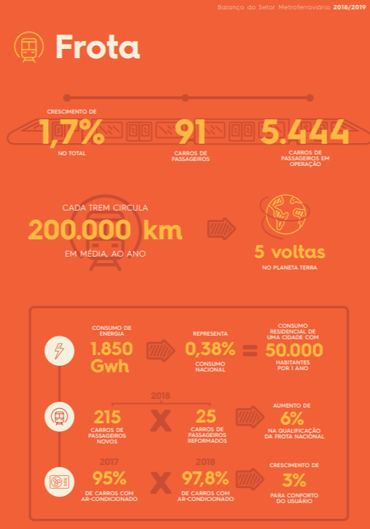
 | Wagons
 | 5444

freight-Road
page 222
Figure 99 - Cargo Vehicle Fleet
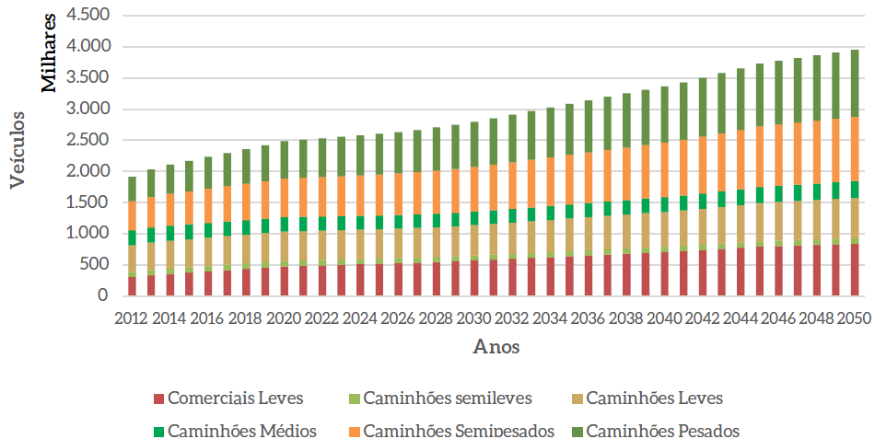

 |  |  |  |  |  |  |  | legend translation
 |  |  |  |  |  |  |  | Light Commercials | Semi-light Trucks | Light Trucks
 |  |  |  |  |  |  |  | Medium Trucks | Semi-heavy Trucks | Heavy Trucks

The table below is from the excel file that generated the results for transportation sector, this file has more detalied informations about the modelling than the report.

Fleet
1 - Light Commercials
Year | TOTAL | (%)
2012 | 306,788 | 0.1601771633
2013 | 332,958 | 0.163928198
2014 | 358,134 | 0.1695957272
2015 | 377,712 | 0.1740556578
2016 | 398,092 | 0.1782928955
2017 | 418,202 | 0.1821807093
2018 | 438,021 | 0.1857384022
2019 | 457,529 | 0.1889831113
2020 | 476,705 | 0.193706958
2021 | 486,184 | 0.1958079884
2022 | 495,270 | 0.1986086987
2023 | 503,955 | 0.2003046611
2024 | 512,239 | 0.2025856897
2025 | 520,130 | 0.2033755915
2026 | 528,722 | 0.2052978229
2027 | 538,112 | 0.2059898621
2028 | 548,411 | 0.2076241463
2029 | 559,739 | 0.2083250857
2030 | 572,221 | 0.2104731814
2031 | 585,990 | 0.2105581682
2032 | 600,109 | 0.2124653677
2033 | 614,109 | 0.2126123569
2034 | 628,018 | 0.2141597184
2035 | 641,856 | 0.2151445853
2036 | 655,290 | 0.2157772545
2037 | 668,672 | 0.2166832364
2038 | 682,004 | 0.217283107
2039 | 695,282 | 0.218021414
2040 | 708,498 | 0.2193985692
2041 | 723,564 | 0.2190823307
2042 | 740,549 | 0.220469778
2043 | 758,354 | 0.2202956608
2044 | 776,065 | 0.2214076043
2045 | 793,671 | 0.2228765401
2046 | 803,427 | 0.2220453629
2047 | 813,037 | 0.2230832771
2048 | 822,498 | 0.2223703011
2049 | 831,810 | 0.2229978372
2050 | 840,977 | 0.2240603873
2 - Semilight Trucks
2012 | 82,220 | 0.0429276807
2013 | 84,937 | 0.04137031714
2014 | 85,477 | 0.04016655299
2015 | 85,517 | 0.03909280738
2016 | 85,626 | 0.03805088476
2017 | 85,712 | 0.03705557324
2018 | 85,777 | 0.03610440723
2019 | 85,826 | 0.03535702895
2020 | 85,864 | 0.03479412156
2021 | 85,072 | 0.03424387777
2022 | 84,278 | 0.0337019229
2023 | 83,488 | 0.03315344948
2024 | 82,707 | 0.03257646694
2025 | 81,939 | 0.0319904359
2026 | 81,286 | 0.03141515148
2027 | 80,757 | 0.0308308807
2028 | 80,363 | 0.03026691549
2029 | 80,115 | 0.02975406064
2030 | 80,025 | 0.02921851341
2031 | 80,102 | 0.02869574684
2032 | 80,263 | 0.02822396512
2033 | 80,467 | 0.02776705353
2034 | 80,714 | 0.02740484955
2035 | 81,007 | 0.02702321549
2036 | 81,316 | 0.02667020326
2037 | 81,672 | 0.02634760974
2038 | 82,075 | 0.02604485911
2039 | 82,526 | 0.02581682557
2040 | 83,024 | 0.02553693057
2041 | 83,738 | 0.0252666186
2042 | 84,673 | 0.02503027115
2043 | 85,732 | 0.02480598686
2044 | 86,834 | 0.02470079275
2045 | 87,978 | 0.024578038
2046 | 88,483 | 0.02443174823
2047 | 89,026 | 0.02431377467
2048 | 89,608 | 0.02418816962
2049 | 90,224 | 0.02417591679
2050 | 90,874 | 0.03223901892
3 - Light Trucks
2012 | 425,527.13 | 0.2221719488
2013 | 439,509 | 0.2163875038
2014 | 446,182 | 0.2112911663
2015 | 449,576 | 0.2071716577
2016 | 453,840 | 0.2032605382
2017 | 458,301 | 0.1996491387
2018 | 462,967 | 0.1963165146
2019 | 467,844 | 0.1932437342
2020 | 472,937 | 0.1921758544
2021 | 472,240 | 0.1901921389
2022 | 471,775 | 0.1891869188
2023 | 471,544 | 0.187422333
2024 | 471,547 | 0.1864923317
2025 | 471,782 | 0.1844709981
2026 | 472,937 | 0.1836371172
2027 | 475,051 | 0.1818498968
2028 | 478,163 | 0.1810286835
2029 | 482,315 | 0.179509303
2030 | 487,550 | 0.1793296571
2031 | 493,914 | 0.1774733855
2032 | 500,766 | 0.1772935282
2033 | 507,772 | 0.1757970949
2034 | 514,923 | 0.1755932285
2035 | 522,210 | 0.1750400579
2036 | 529,401 | 0.1743238808
2037 | 536,714 | 0.1739221523
2038 | 544,143 | 0.1733612558
2039 | 551,684 | 0.172993096
2040 | 559,334 | 0.1732074536
2041 | 568,326 | 0.1720791028
2042 | 578,705 | 0.1722869255
2043 | 589,763 | 0.1713212795
2044 | 600,915 | 0.1714381689
2045 | 612,159 | 0.1719047767
2046 | 618,516 | 0.1709409824
2047 | 624,964 | 0.1714791858
2048 | 631,498 | 0.1707317385
2049 | 638,116 | 0.1710709599
2050 | 644,812 | 0.1717963468
4 - Medium Trucks
2012 | 244,531.22 | 0.1276721821
2013 | 245,432 | 0.1208355303
2014 | 243,836 | 0.1154696607
2015 | 241,110 | 0.1111075262
2016 | 238,972 | 0.1070278275
2017 | 237,134 | 0.1033024192
2018 | 235,595 | 0.09990153336
2019 | 234,349 | 0.09679833651
2020 | 233,393 | 0.09483822244
2021 | 230,224 | 0.09272146591
2022 | 227,337 | 0.09116442433
2023 | 224,724 | 0.08932005844
2024 | 222,380 | 0.08794899042
2025 | 220,294 | 0.08613698698
2026 | 218,746 | 0.08493711104
2027 | 217,744 | 0.08335257199
2028 | 217,296 | 0.08226664034
2029 | 217,413 | 0.08091729694
2030 | 218,104 | 0.08022252072
2031 | 219,381 | 0.07882809318
2032 | 220,971 | 0.07823351646
2033 | 222,727 | 0.07711093306
2034 | 224,639 | 0.07660398001
2035 | 226,697 | 0.07598684455
2036 | 228,798 | 0.07533969739
2037 | 231,025 | 0.07486379636
2038 | 233,372 | 0.07435117289
2039 | 235,830 | 0.07394995999
2040 | 238,394 | 0.07382274615
2041 | 241,570 | 0.07314306636
2042 | 245,372 | 0.0730501187
2043 | 249,503 | 0.07247870378
2044 | 253,716 | 0.07238391053
2045 | 258,005 | 0.07245224065
2046 | 260,299 | 0.07193959223
2047 | 262,663 | 0.07207017667
2048 | 265,092 | 0.07167028924
2049 | 267,583 | 0.07173557589
2050 | 270,130 | 0.07197027475
6 - Semi-heavy trucks
2012 | 461,756.81 | 0.2410878265
2013 | 491,556 | 0.2420120237
2014 | 513,519 | 0.2431788374
2015 | 529,887 | 0.2441803571
2016 | 547,373 | 0.2451507778
2017 | 564,874 | 0.2460753637
2018 | 582,395 | 0.2469586997
2019 | 599,936 | 0.2478049524
2020 | 606,358 | 0.2463906621
2021 | 613,159 | 0.2469464381
2022 | 614,483 | 0.2464142704
2023 | 621,473 | 0.2470138976
2024 | 623,758 | 0.2466901307
2025 | 634,100 | 0.2479388805
2026 | 637,989 | 0.2477254252
2027 | 650,075 | 0.2488494123
2028 | 657,099 | 0.2487723839
2029 | 670,875 | 0.2496880772
2030 | 676,607 | 0.2488679645
2031 | 696,704 | 0.2503400839
2032 | 705,088 | 0.249632775
2033 | 724,379 | 0.2507889733
2034 | 733,900 | 0.250266193
2035 | 746,680 | 0.2502805856
2036 | 761,001 | 0.2505862832
2037 | 773,069 | 0.2505131561
2038 | 786,913 | 0.2507064145
2039 | 799,433 | 0.2506802508
2040 | 806,973 | 0.2498931223
2041 | 828,829 | 0.2509545977
2042 | 840,281 | 0.2501611263
2043 | 864,127 | 0.2510216731
2044 | 877,774 | 0.2504248095
2045 | 888,064 | 0.2493837497
2046 | 906,570 | 0.250551292
2047 | 909,894 | 0.2496590631
2048 | 926,910 | 0.250599214
2049 | 932,736 | 0.2500548793
2050 | 934,593 | 0.2490022546
7 - Heavy Trucks
2012 | 394,482.42 | 0.2059631986
2013 | 436,730 | 0.2150190781
2014 | 464,544 | 0.2199867175
2015 | 486,261 | 0.2240769997
2016 | 508,897 | 0.2279188143
2017 | 531,310 | 0.2314539713
2018 | 553,514 | 0.2347118864
2019 | 575,518 | 0.2377190609
2020 | 585,704 | 0.2379980196
2021 | 596,085 | 0.2400698324
2022 | 600,556 | 0.2408292923
2023 | 610,759 | 0.2427554973
2024 | 615,876 | 0.2435731428
2025 | 629,240 | 0.2460384559
2026 | 635,709 | 0.2468399474
2027 | 650,585 | 0.2490444845
2028 | 660,033 | 0.2498833714
2029 | 676,395 | 0.2517427024
2030 | 684,231 | 0.2516721773
2031 | 706,940 | 0.2540180735
2032 | 717,305 | 0.2539580855
2033 | 738,945 | 0.2558320587
2034 | 750,282 | 0.2558525952
2035 | 764,922 | 0.2563949956
2036 | 781,076 | 0.2571966929
2037 | 794,790 | 0.2575518546
2038 | 810,274 | 0.2581493004
2039 | 824,299 | 0.2584774142
2040 | 833,050 | 0.2579683421
2041 | 856,678 | 0.2593866704
2042 | 869,380 | 0.2588240906
2043 | 894,959 | 0.2599783506
2044 | 909,837 | 0.2595722031
2045 | 921,157 | 0.2586769282
2046 | 941,006 | 0.2600685787
2047 | 944,961 | 0.2592809998
2048 | 963,169 | 0.2604021904
2049 | 969,657 | 0.2599527979
2050 | 971,965 | 0.258959306

Year | TKU (10^6) - EPE Total | TKU (10^6) - Road EPE | TKU Base Scenario | TKU Alternative Scenario | TKU (10-6) - calculated tonnes Ton / Vehicle | Rate | Variation (standard / EPE) | Useful KM Light Commercial (diesel) | Useful KM Semilight Trucks | Useful km Light Trucks | KM Useful Medium Trucks | KM Useful Semiheavy Trucks | KM Useful Heavy Trucks | Total Useful Miles Rotated | Total Fleet | Total Useful Km Driven by Vehicle | FIPE Tons - Road | Ton / vehicle (medium) - EPE | Ton / vehicle (medium) - FIPE | Calculated Tons (Ton/veic) | Ton / vehicle (medium) - Standard | tku / Litre
2012 | 1270998.5829 | 762599.14971 | 762599.69674 | 762599.69674 | 618763.75178 |  | 1.0000007173 | 1883015654.2 | 1801458129.2 | 8763721419.8 | 7609002792.2 | 17275071035 | 15315779428 | 52648048458 | 1915305.3733 | 27488.070149 | 27742913.401 | 24.141418725 | 14.484851235 | 22510265.305 | 14.484861625 | 20.833235206
2013 | 1343445.5021 | 806067.30124 | 815831.73013 | 815831.73013 | 663275.69993 | 0.069803376029 | 1.0121136645 | 2059189803.2 | 1865183854.8 | 9087616266.2 | 7633249517 | 18451201659 | 16736527857 | 55832968957 | 2031121.6549 | 27488.736985 | 28621110.314 | 24.061867516 | 14.091283131 | 24128998.735 | 14.612006944 | 21.123121253
2014 | 1420021.8957 | 852013.13742 | 864445.36484 | 864445.36484 | 699137.6428 | 0.059587820524 | 1.0145915912 | 2225435488.2 | 1887722653.5 | 9299224514.6 | 7630120474.9 | 19463821971 | 18106486754 | 58612811856 | 2111692.627 | 27756.317897 | 29499307.226 | 24.227158717 | 13.969508085 | 25188414.594 | 14.748402908 | 21.411904844
2015 | 1500963.1437 | 852988.26271 | 896330.97465 | 896330.97465 | 723041.55292 | 0.036885627604 | 1.0508127882 | 2364450337 | 1878675739.2 | 9383283875.5 | 7551247633.1 | 20172805135 | 19016598803 | 60367061523 | 2170064.2155 | 27818.099157 | 30377504.139 | 24.863942453 | 13.998435586 | 25991767.045 | 14.848014 | 21.646135654
2016 | 1586518.0429 | 901608.59369 | 922162.08392 | 922162.08392 | 742569.52652 | 0.028818717638 | 1.0227964666 | 2484339940.8 | 1865237969.9 | 9439751726.1 | 7462229840.9 | 20780450559 | 19810120061 | 61842130098 | 2232799.5951 | 27697.125274 | 31255701.051 | 25.654324009 | 13.998435471 | 26810346.531 | 14.911551113 | 21.833419794
2017 | 1676949.5714 | 953000.28353 | 949426.52124 | 949426.52124 | 762906.12081 | 0.029565775684 | 0.99624998822 | 2604809658.9 | 1853087110.6 | 9509689039.4 | 7391613153.8 | 21408550926 | 20614630840 | 63382380729 | 2295533.965 | 27611.17095 | 32133897.964 | 26.457661453 | 13.998441519 | 27630342.885 | 14.97934458 | 22.037163047
2018 | 1772535.697 | 1007321.2997 | 977279.18374 | 977279.18374 | 783724.7482 | 0.029336301315 | 0.97017623279 | 2721936592.8 | 1841200012.7 | 9585196177.1 | 7333751348.9 | 22034381591 | 21406050788 | 64922516510 | 2358268.3405 | 27529.740952 | 33012094.876 | 27.302325791 | 13.998447212 | 28468293.601 | 15.053008359 | 22.258183362
2019 | 1873570.2317 | 1064738.6138 | 1004426.5066 | 1004426.5066 | 804196.24657 | 0.027778472466 | 0.94335501093 | 2835854404.6 | 1829678266.9 | 9666645196.5 | 7286994323.9 | 22657661825 | 22185469009 | 66462303026 | 2421002.7214 | 27452.386748 | 33890291.789 | 28.189968544 | 13.998452579 | 29294219.623 | 15.112724972 | 22.467233095
2020 | 1980363.7349 | 1125428.7148 | 1031895.9629 | 1021607.2831 | 813770.73475 | 0.017105060763 | 0.90774943776 | 2946636518.3 | 1818633020.4 | 9752910249.3 | 7253023439.4 | 23028959580 | 22693226439 | 67493389247 | 2460960.0646 | 27425.633686 | 34768488.702 | 29.341595629 | 14.128018249 | 29671902.72 | 15.136405127 | 22.663130831
2021 | 2093244.4678 | 1169359.9458 | 1049856.2388 | 1028834.8022 | 820530.30664 | 0.0070746550966 | 0.87982729859 | 3018770974.8 | 1798097138.3 | 9771816208.1 | 7177251626.4 | 23167582778 | 22951912305 | 67885431031 | 2482963.6906 | 27340.484796 | 35106451.225 | 30.834958783 | 14.138930568 | 30011549.275 | 15.155458051 | 22.865852862
2022 | 2212559.4024 | 1214642.8194 | 1058752.9302 | 1031011.8108 | 820594.75729 | 0.0021159942665 | 0.84881892382 | 3054366667.4 | 1768680202.8 | 9726632513.4 | 7063074551.9 | 23194781826 | 23087235986 | 67894771748 | 2493698.6671 | 27226.534082 | 35444413.748 | 32.588067468 | 14.213591328 | 30139523.262 | 15.185437468 | 23.08678879
2023 | 2338675.2884 | 1261288.69 | 1067258.9792 | 1034049.8455 | 823538.22841 | 0.0029466536528 | 0.81983597701 | 3088342656.7 | 1740333917.1 | 9688081786.6 | 6960180054.9 | 23236982066 | 23230368010 | 67944288491 | 2515944.3562 | 27005.481391 | 35782376.272 | 34.420483904 | 14.222244695 | 30495224.895 | 15.219084171 | 23.337050452
2024 | 2471979.7798 | 1309305.8154 | 1075768.726 | 1036996.4585 | 824112.56095 | 0.0028495850497 | 0.79202005081 | 3120867183.7 | 1713167685.8 | 9656157927.4 | 6868276144.7 | 23302299063 | 23389964992 | 68050732996 | 2528506.8352 | 26913.406778 | 36120338.795 | 36.325542297 | 14.285244672 | 30620893.436 | 15.238578819 | 23.5926303
2025 | 2612882.6273 | 1358698.9662 | 1084421.6327 | 1043786.8032 | 830491.7354 | 0.0065480886249 | 0.76822521336 | 3152061020.7 | 1687280369.2 | 9632035368.6 | 6789189599.6 | 23449924874 | 23631587701 | 68342078933 | 2557485.3287 | 26722.373797 | 36458301.319 | 38.232413588 | 14.255527064 | 31078516.516 | 15.272974125 | 23.900651419
2026 | 2686043.3408 | 1391370.4506 | 1093799.0766 | 1051250.8454 | 834020.03401 | 0.0071509260451 | 0.75555064793 | 3186341016.6 | 1663923336.3 | 9622749044.8 | 6727544301.9 | 23628247329 | 23902479324 | 68731284353 | 2575389.575 | 26687.723295 | 37295104.646 | 39.080360074 | 14.481344884 | 31251074.691 | 15.295085132 | 24.211158126
2027 | 2761252.5544 | 1424806.3181 | 1105950.8556 | 1061352.5327 | 842647.87861 | 0.0096092072974 | 0.74491004095 | 3228048752.1 | 1644354002.2 | 9634311328.9 | 6688871986.4 | 23855799871 | 24218883955 | 69270269896 | 2612323.7923 | 26516.724343 | 38131907.974 | 39.862015242 | 14.596930168 | 31777977.842 | 15.321905549 | 24.556059187
2028 | 2838567.6259 | 1459023.7597 | 1121018.3143 | 1074245.7789 | 850587.94155 | 0.01214793937 | 0.73627709747 | 3277760366.1 | 1628757954.7 | 9664160321 | 6674168592.4 | 24149551873 | 24600124969 | 69994524077 | 2641365.1553 | 26499.374362 | 38968711.301 | 40.554138532 | 14.753246526 | 32098415.982 | 15.347568872 | 24.909610107
2029 | 2918047.5194 | 1494040.3299 | 1138661.5552 | 1089562.7699 | 863031.39643 | 0.014258367363 | 0.7292726629 | 3336126399.5 | 1617316640.4 | 9725282717 | 6681768131.3 | 24490828590 | 25023748360 | 70875070838 | 2686852.0328 | 26378.479341 | 39805514.629 | 41.171705155 | 14.81492622 | 32717253.534 | 15.373004316 | 25.277851242
2030 | 2999752.85 | 1529873.9535 | 1159444.7455 | 1103666.0231 | 871304.7859 | 0.012943956623 | 0.72140977406 | 3403885667.9 | 1610203608 | 9817365772.7 | 6710018636.6 | 24801253179 | 25409210145 | 71751937009 | 2718737.8479 | 26391.635025 | 40642317.956 | 41.807273434 | 14.948965377 | 33014429.954 | 15.381689598 | 25.632530539
2031 | 3083745.9298 | 1566542.9323 | 1183312.7312 | 1124723.7015 | 889896.29917 | 0.019079755959 | 0.7179654501 | 3481777371.9 | 1607583935.3 | 9936324457.2 | 6761441241.4 | 25264061252 | 25948501806 | 72999690064 | 2783029.6934 | 26230.295076 | 41480860.259 | 42.243274281 | 14.904929098 | 33926278.625 | 15.407239408 | 26.029260602
2032 | 3170090.8158 | 1604065.9528 | 1208846.162 | 1147387.1051 | 904783.89253 | 0.020150196483 | 0.71529920767 | 3566384053.2 | 1608464732.1 | 10078375550 | 6834151195.3 | 25778255103 | 26534062657 | 74399693291 | 2824501.0856 | 26340.826587 | 42319402.561 | 42.608923177 | 14.982965585 | 34349107.821 | 15.421933268 | 26.414875231
2033 | 3258853.3586 | 1642462.0928 | 1234783.1835 | 1170365.2084 | 924878.55801 | 0.0200264612 | 0.71256756158 | 3652265028.8 | 1611256849.1 | 10227811849 | 6917231287.3 | 26288564122 | 27107708776 | 75804837912 | 2888399.0213 | 26244.586483 | 43157944.863 | 42.990044546 | 14.941822284 | 35240736.547 | 15.439188852 | 26.810146275
2034 | 3350101.2527 | 1681750.8288 | 1260524.4497 | 1193089.1209 | 940776.38765 | 0.019416086824 | 0.70943275333 | 3737780533.6 | 1615367769.3 | 10380735414 | 7006368017.1 | 26816820271 | 27694236746 | 77251308751 | 2932476.6218 | 26343.367301 | 43996487.166 | 43.366271806 | 15.003184284 | 35712077.993 | 15.444257712 | 27.185884829
2035 | 3443904.0878 | 1721952.0439 | 1286030.999 | 1210889.4631 | 955012.87013 | 0.01491954106 | 0.70320742518 | 3822901671.8 | 1620671443.8 | 10535080979 | 7099151298.1 | 27206161830 | 28133347987 | 78417315209 | 2983371.8126 | 26284.794566 | 44835029.468 | 43.917648527 | 15.028307661 | 36333282.641 | 15.44160827 | 27.555435871
2036 | 3540333.4022 | 1763086.0343 | 1310923.0691 | 1232585.72 | 972246.15044 | 0.017917619712 | 0.69910696131 | 3906395165.6 | 1626798772.1 | 10687587670 | 7192716030.8 | 27699331821 | 28679959941 | 79792789401 | 3036880.7989 | 26274.587212 | 45652742.193 | 44.369089347 | 15.032773828 | 37003289.247 | 15.447332136 | 27.940494108
2037 | 3639462.7375 | 1805173.5178 | 1335480.106 | 1253901.2776 | 988069.09811 | 0.017293367367 | 0.69461537369 | 3988307284.7 | 1633343853.8 | 10837253621 | 7287122502.1 | 28173360207 | 29205314714 | 81124702183 | 3085942.8881 | 26288.465187 | 46470454.918 | 44.86257132 | 15.058754035 | 37585651.771 | 15.456466944 | 28.334988058
2038 | 3741367.6941 | 1848235.6409 | 1359977.5676 | 1275095.7365 | 1004816.2018 | 0.016902813075 | 0.68989890051 | 4069737582.7 | 1641483730.9 | 10993334730 | 7385910610.8 | 28638797888 | 29718857003 | 82448121545 | 3138781.7831 | 26267.554498 | 47288167.642 | 45.378446762 | 15.065771025 | 38253130.944 | 15.465431021 | 28.7343293
2039 | 3846125.9896 | 1892293.9869 | 1384401.3715 | 1296156.1493 | 1020933.679 | 0.016516730592 | 0.68496552771 | 4150488769.6 | 1650958079.7 | 11152171365 | 7487200347 | 29113308526 | 30238754704 | 83792881792 | 3189054.5987 | 26275.148072 | 48105880.367 | 45.900390431 | 15.084683839 | 38855487.177 | 15.468571096 | 29.128115415
2040 | 3953817.5173 | 1937370.5835 | 1408803.2648 | 1312055.5294 | 1031968.269 | 0.012266562254 | 0.67723518701 | 4230421084.5 | 1661645439.9 | 11313536874 | 7591011285.9 | 29448134698 | 30611877774 | 84856627156 | 3229272.4768 | 26277.320284 | 48923593.092 | 46.594092292 | 15.150035633 | 39272203.476 | 15.462027815 | 29.513044316
2041 | 4064524.4078 | 1995681.4842 | 1435199.7157 | 1336639.2382 | 1053928.5743 | 0.018736789929 | 0.66976581624 | 4316650873.9 | 1675470785.4 | 11494393185 | 7705950698.2 | 30004039560 | 31205025529 | 86401530632 | 3302704.8599 | 26160.83916 | 50036143.058 | 47.042273187 | 15.150049787 | 40286497.228 | 15.470087491 | 29.930254866
2042 | 4178331.0912 | 2055738.8969 | 1465573.5482 | 1364927.1873 | 1073504.9298 | 0.021163488405 | 0.66395941106 | 4416300151.2 | 1694647159.9 | 11706516469 | 7844916268.5 | 30632582026 | 31874485252 | 88169447326 | 3358960.2942 | 26249.029343 | 51148693.024 | 47.389784306 | 15.227537257 | 40896938.157 | 15.480727493 | 30.364538231
2043 | 4295324.3617 | 2117594.9103 | 1498808.9497 | 1395880.1907 | 1100209.1266 | 0.022677402673 | 0.65918187841 | 4525201058 | 1718102129.2 | 11944234871 | 8002594071.7 | 31313369683 | 32595633819 | 90099135632 | 3442437.9058 | 26173.060516 | 52261242.99 | 47.673313751 | 15.181462795 | 42035937.139 | 15.492714563 | 30.813018046
2044 | 4415593.4439 | 2181303.1613 | 1532541.9267 | 1427296.5993 | 1122818.4098 | 0.02250652229 | 0.65433206382 | 4635684271.6 | 1743259285.7 | 12187985562 | 8165109656.9 | 32028206525 | 33349556592 | 92109801892 | 3505141.3203 | 26278.48451 | 53373792.956 | 47.938366527 | 15.227287027 | 42727669.83 | 15.495599491 | 31.2481725
2045 | 4539230.0603 | 2246918.8798 | 1565863.8136 | 1447047.1078 | 1136732.1404 | 0.013837704461 | 0.64401395209 | 4744431995.3 | 1769223869.2 | 12430539679 | 8327419274 | 32442239349 | 33788354989 | 93502209154 | 3561033.6738 | 26257.041556 | 54486342.921 | 48.546768053 | 15.300709825 | 43292468.347 | 15.476073998 | 31.654654647
2046 | 4666328.502 | 2295833.623 | 1590717.9456 | 1470015.3248 | 1158163.5597 | 0.015872473541 | 0.64029697538 | 4822091410.9 | 1787610908.2 | 12612303867 | 8444807092.6 | 32967792280 | 34343031501 | 94977637060 | 3618300.4153 | 26249.240295 | 55132500.734 | 49.130812751 | 15.237126387 | 44121793.495 | 15.477488915 | 32.084417775
2047 | 4796985.7 | 2345726.0073 | 1607643.7894 | 1485656.8468 | 1167622.4621 | 0.010640380228 | 0.63334628262 | 4870216658.1 | 1798755394 | 12738297399 | 8522704054.2 | 33329791642 | 34727835363 | 95987600511 | 3644545.0716 | 26337.333913 | 55778658.546 | 49.975055887 | 15.304697143 | 44333358.343 | 15.47759126 | 32.501993152
2048 | 4931301.2996 | 2396612.4316 | 1624480.9584 | 1501216.4226 | 1182787.371 | 0.010473196335 | 0.62639098538 | 4917530865 | 1810713599.1 | 12864938415 | 8601777195.2 | 33669994957 | 35089144428 | 96954099460 | 3698776.0732 | 26212.481519 | 56424816.359 | 50.862225807 | 15.254996583 | 45123059.798 | 15.483784914 | 32.94413875
2049 | 5069377.736 | 2448509.4465 | 1641742.6222 | 1517168.2828 | 1193312.133 | 0.010625986023 | 0.6196293543 | 4964197926.5 | 1823361523.8 | 12993738749 | 8682643163.7 | 34054922019 | 35498859982 | 98017723365 | 3730125.4491 | 26277.326246 | 57070974.171 | 51.718990831 | 15.300014691 | 45412235.696 | 15.478510164 | 33.366782031
2050 | 5211320.3126 | 2501433.7501 | 1659121.9654 | 1521273.8679 | 1195115.3593 | 0.0027062710406 | 0.60816089813 | 5010381278.7 | 1836337957.9 | 13123529597 | 8765810181.9 | 34110717023 | 35564593473 | 98411369512 | 3753350.1823 | 26219.607746 | 57717131.983 | 52.954453723 | 15.377497217 | 45580977.828 | 15.458317505 | 33.778760627

freight-Rail
Page 227
Table 79 - Number of Wagons per Concessionaire
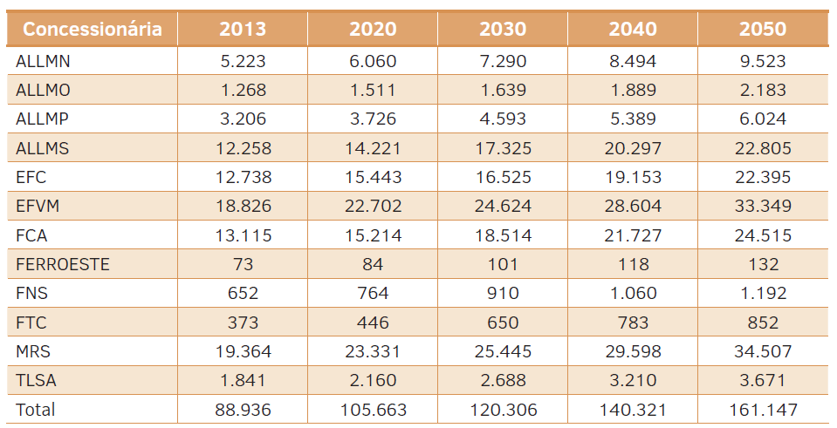

The table below is from the excel file that generated the results for transportation sector, this file has more detalied informations about the modelling than the report.

Dealership | Line extension (km) | Average distance traveled (km) | Number of wagons | TU transported by wagon | TKU | L / thousand TKU | Consumption in L | Correction Factor
ALLMN | 617 | 47556 | 5222.8333333 | 229.58333333 | 20593900000 | 2.3725 | 48859027.75 | 0.36114928287
ALLMO | 1945 | 23799 | 1268.3333333 | 305.25 | 20587000000 | 15.935833333 | 328071000.83 | 2.2343195035
ALLMP | 1945 | 9762 | 3205.5 | 140.66666667 | 3912200000 | 14.035 | 54907727 | 0.88878203573
ALLMS | 7265 | 33890 | 12258 | 153.91666667 | 15788700000 | 9.2883333333 | 146650708.5 | 0.24692754442
EFC | 892 | 186204 | 12737.5 | 843.33333333 | 101010400000 | 2.095 | 211616788 | 0.050500260835
EFVM | 905 | 104720 | 18826.333333 | 630.66666667 | 72009300000 | 2.7808333333 | 200245861.75 | 0.057915303209
FCA | 8066 | 125994 | 13115.166667 | 146.66666667 | 17789400000 | 11.165833333 | 198633475.5 | 0.073401713931
FERROESTE | 248 | 50947 | 73 | 352.33333333 | 153300000 | 13.818333333 | 2118350.5 | 0.11698951657
FNS | 2200 | 81976 | 651.83333333 | 402.83333333 | 2377400000 | 4.1033333333 | 9755264.6667 | 0.11044690989
FTC | 164 | 21337 | 372.5 | 724 | 238800000 | 6.7208333333 | 1604935 | 0.041498855741
MRS | 1674 | 73180 | 19364.25 | 567.75 | 61467500000 | 4.405 | 270764337.5 | 0.076400345215
TLSA | 4207 | 18246 | 1841.0833333 | 55 | 534400000 | 15.5725 | 8321944 | 0.2892428572

